PL
NATIONAL RENEWABLE ENERGY ACTION PLAN
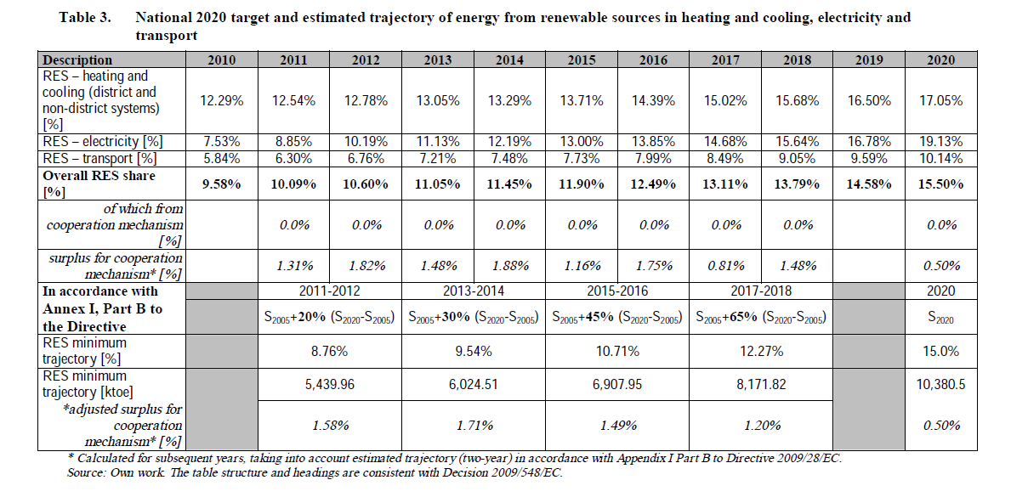

electricity:
Year | 2012 | 2013 | 2014 | 2015 | 2016 | 2017 | 2018 | 2019 | 2020
RPS Fraction | 0.1019 | 0.1113 | 0.1219 | 0.1300 | 0.1385 | 0.1468 | 0.1564 | 0.1678 | 0.1913

